Parameter definition sheet
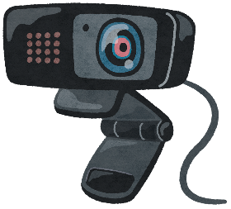
 |  | Your place name to watch over as Projecr name: | MyLiving

Place1 name (you set Cam1): | catbed1 |  |  | Place2 name (you set Cam2): | catbed2
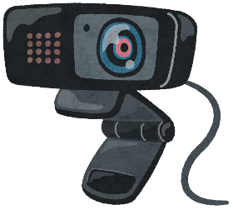



 |  |  |  |  |  | New bucket name to upload mp4 files
 |  |  |  |  |  | neko-mimamori
Place3 name (you set Cam3): | catbed3 |  |  | Place4 name (you set Cam4): | catbed4

